Лист1
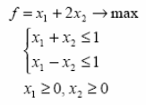
f = -x1 - 2x2 -> min |  | Канонический
x1 + x2 + x3 = 1
x1 - x2 + x4 = 1 |  | базис: x3 = 1, x4 = 1
x1, x2, x3, x4 >= 0 |  | свободные переменные: x1 = 0, x2 = 0

(0, 0, 1, 1) - ДБР

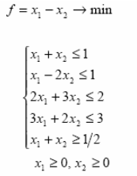
f = x1 - x2 -> min |  | Не канонический

x1 + x2 + x3 = 1 |  | базис: x3 = 1, x4 = 1, x5 = 2, x6 = 3, x7 = 1/2
x1 - 2x2 + x4 = 1 |  | свободные переменные: x1 = 0, x2 = 0
2x1 + 3x2 + x5 = 2
3x1 + 2x2 + x6 = 3
-х1 - х2 + х7 = -1/2
x1, x2, x3, x4, x5, x6, x7 >= 0

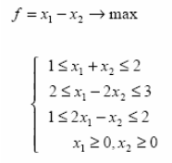
f = -x1 + x2 -> min |  | Не канонический

x1 + x2 - x3= 1
x1 + x2 + x4= 2
x1 - 2x2 - x5= 2
x1 - 2x2 + x6= 3
2x1 - x2 - x7= 1
2x1 - x2 + x8= 2
x1, x2, x3, x4, x5, x6, x7, x8 >= 0

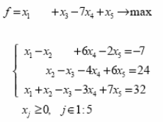
 | f = -x1 - x3 + 7x4 - x5 -> min

 | -х1 + х2 - 6х4 - 2х5 = 7
 | x2 - x3 - 4x4 + 6x5 = 24
 | x1 + x2 - x3 - 3x4 + 7x5 = 32
 | x1, x2, x3, x4, x5 >= 0

 |  | Не канонический

